1. Title Page
Instacart Customer Behavior Analysis

Project Name: Instacart Customer Behavior Analysis
Date: April 21st, 2025
Analyst Name: Unaza Ali

Contents:
Population Flow
Consistency checks
Wrangling steps
Column derivations
Visualizations
Recommendations

2. Population Flow
 | Title page

Population flow

Exclusion flag
Condition: max_order < 5
Obervations to be removed: 1441441
Final total count of order_products_all: 30991019

Orders_products_combined
Orders_products_merged
Orders_products_all

Total: 32432460
Total:
Total: 32432460
32434489

1.) The grey boxes in the first row of the population flow represent the original data sets as they were when you downloaded them. In the Total fields you need to add the count of the rows when you imported the data set into Jupyter.
2.) The second row of boxes (coloured) represents the data sets after you manipulated them, e.g., removed missing values and duplicates. In the Total fields you need to add the count of the rows after conducting these operations. This offers a visual oveview of how the data flows throughout the data consistency checks.
3.) The third row, where also the arrows are coloured, represents the merges you performed between the datasets. In the Total fields you need to add the count of the rows in the merged datasets, so that you end up with the final dataset (in the red box). Keep in mind the final dataset should be without exclusions (based on the exclusion flag).

3. Consistency checks
 |  |  |  | Title page
Consistency checks

Dataset | Missing values | Missing values treatment | Duplicates
orders | days_since_prior_order 206209 | No need to remove. | Zero Duplicate Values found.
products | Product name have 16 missing values. | Removed from the dataframe. | 5 Duplicates were found
orders_products_prior | Zero values found | Zero values found | Zero Duplicate Values found.
customers | 11259 First name values are missing | No need to remove. | Zero Duplicate Values found.

4. Wrangling steps
 |  |  |  | Title page
Wrangling steps

Columns dropped | Columns renamed | Columns' type changed | Comment/Reason
eval_set |  |  | Not required in the analysis
 | order_dow to orders_day_of_week |  | Clearer view
 | Surname: Last Name |  | Clearer view
 | STATE : State |  | Clearer view
 | date_joined : Date Joined |  | Clearer view
 | n_dependants : Number of Dependents |  | Clearer view
 | fam_status : Family Status |  | Clearer view
 | income : Income |  | Clearer view
 |  | order_id | int To string
 |  | order number | int To string

5. Column derivations
 |  |  |  | Title page

Column derivations and aggregations

In this tab you should add tables below that the frequences of flags/label variables that you produced after deriving them. NB: don't do this for continuous variables, only for flags.
Dataset | New column | Column/s it was derived from | Conditions
ords_prods_merge | price_range_loc | prices | High_range product: >15 Mid-Range Product: >5 & <=15 Low-Range Product: <5
ords_prods_merge | Busiest_day | orders_days_of_week | Busiest days: Saturday, Sunday Regularly Busy: Wednesday, Thursday, Friday Slowest days: Monday, Tuesday 0 refers to Saturday in dataframe
ords_prods_merge | busiest_period_of_day | order_time_hour_of_day | Most orders: [10, 11, 14, 15, 13, 12, 16, 9] Average orders: [17, 8, 18, 19, 20, 7, 21, 22] Fewest orders: [23, 6, 0, 1, 5, 2, 4, 3]
ords_prods_merge | max_order | order_number | Max count of orders per user
ords_prods_merge | loyalty_flag | max_order | Loyal customer >=40 Regular customer >10 & <40 New customer <=10
ords_prods_merge | spender_type | Avg_spent | High Spender: =>10 Low Spender: <10
ords_prods_merge | frequency_flag | median_order_frequency | Frequent customer: <=10 Regular customer: >10 & <=20 Non-Frequent customer: >20
ords_prods_cust | activity_customer_level | max_order | Low-activity Customer: <5 orders High-activity Customer: >=5 orders
ords_prods_cust_merge | age_group | Age | young_adult: <33 years adult: >=33 & <49 older_adult: >=49 &<65 senior: >=65
ords_prods_cust_merge | Income_bracket | Income | Low Income Customer: <96608 Middle Income Customer: >=96608 & < 127876 High Income Customer: >=127876
ords_prods_cust_merge | Number of Dependents | dependents_flag | ['Number of Dependents'] == 0, 'dependents_flag'] = 'No Dependents' ['Number of Dependents'] >= 1, 'dependents_flag'] = 'Has Dependents'
ords_prods_cust_merge | department_name | department | 1: frozen 2: other 3: bakery 4: produce 5: alcohol 6: international 7: beverages 8: pets 9: dry goods pasta 10: bulk 11: personal care 12: meat seafood 13: pantry 14: breakfast 15: canned goods 16: dairy eggs 17: household 18: babies 19: snacks 20: deli 21: missing
ords_prods_cust_merge | day_of_week | orders_day_of_week | 0: Saturday 1: Sunday 2: Monday 3: Tuesday 4: Wednesday 5: Thursday 6: Friday

6. Visualizations
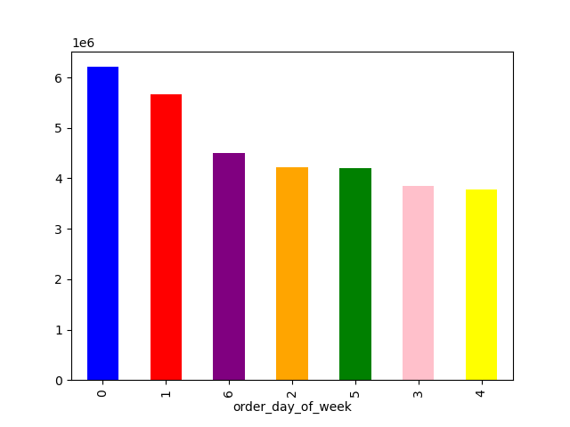
 |  |  | Title page

Visualisations

In this tab you should include all the visualtions from Exercises 4.9 and 4.10, alongside the questions from the project brief that they answer. Include any commentary on the relationship between different variables.

 | Age Variable Group
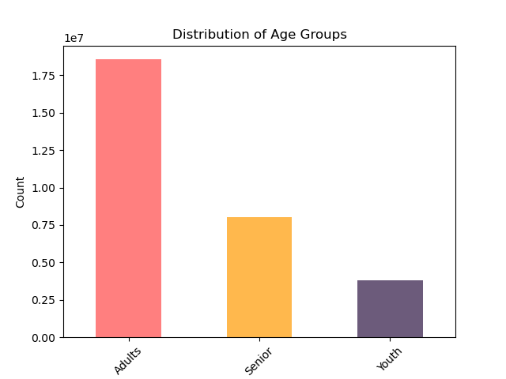

Comparing Loyalty by Family Status |  | Compairing Age Group and Region

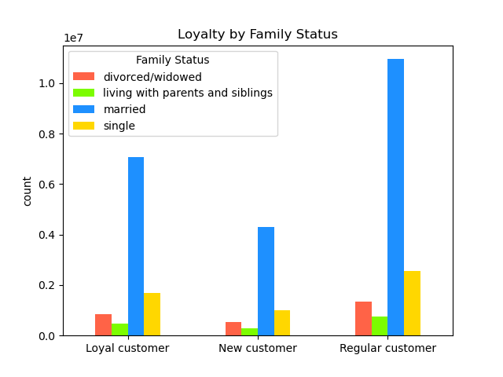
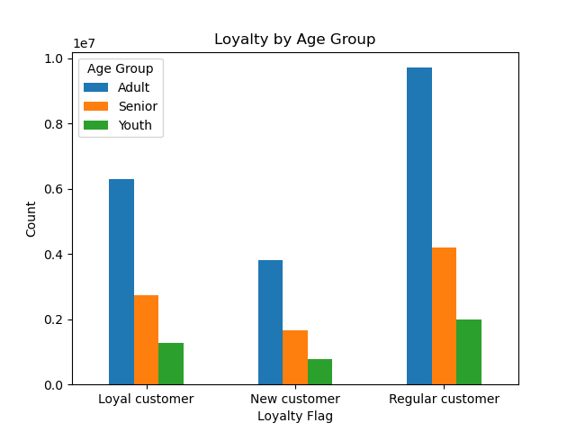

 | Number of Dependant Variable

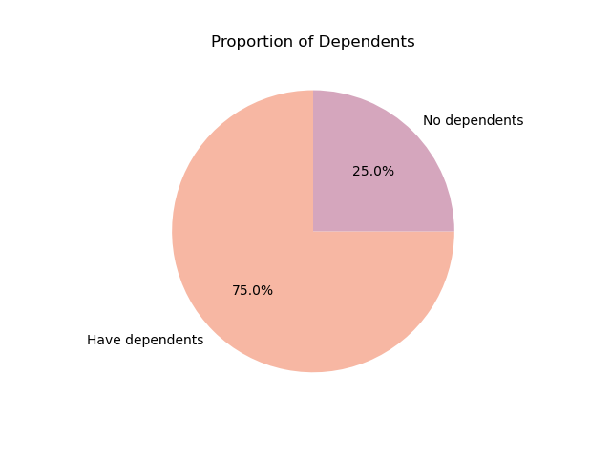

 | Income Variable Group

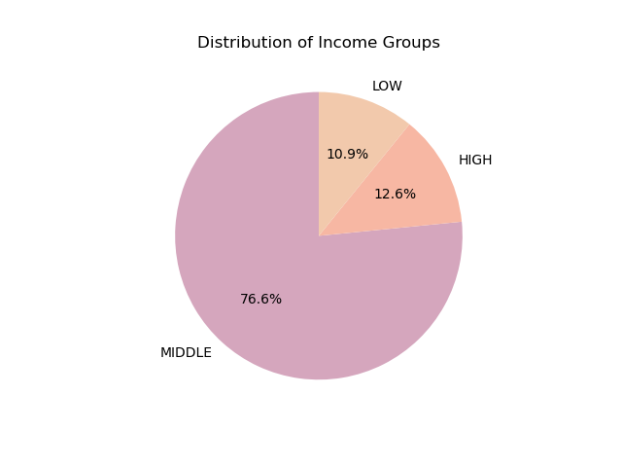

 | Checking the difference in expenditure by hour of day

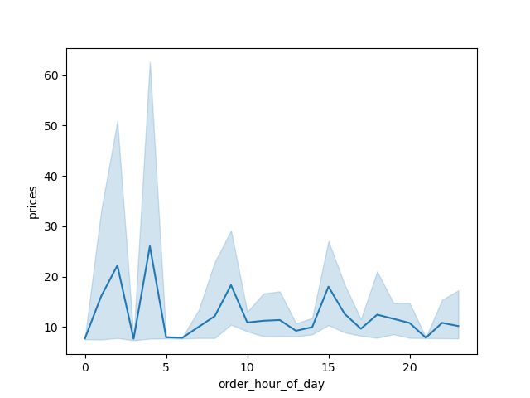

 | Question: What are the busiest days of the week (i.e., the days with the most orders ) in order to schedule ads at times when there are fewer orders?



Explore whether there’s a connection between age and spending power (income). To visualize this relationship, create a scatterplot

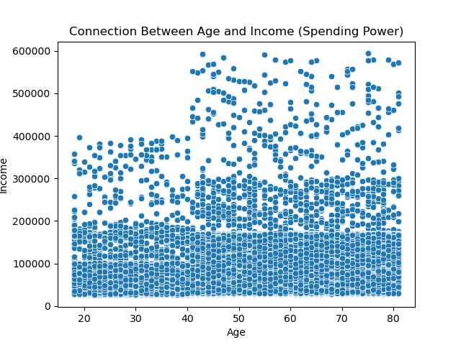

Customer Profiling Based on Demographics and Shopping Behavior

Age Variable Group

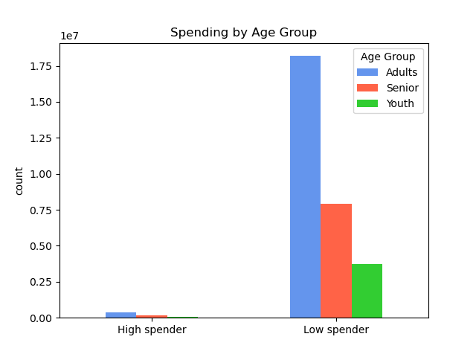

 | Comparing Income Group by Region

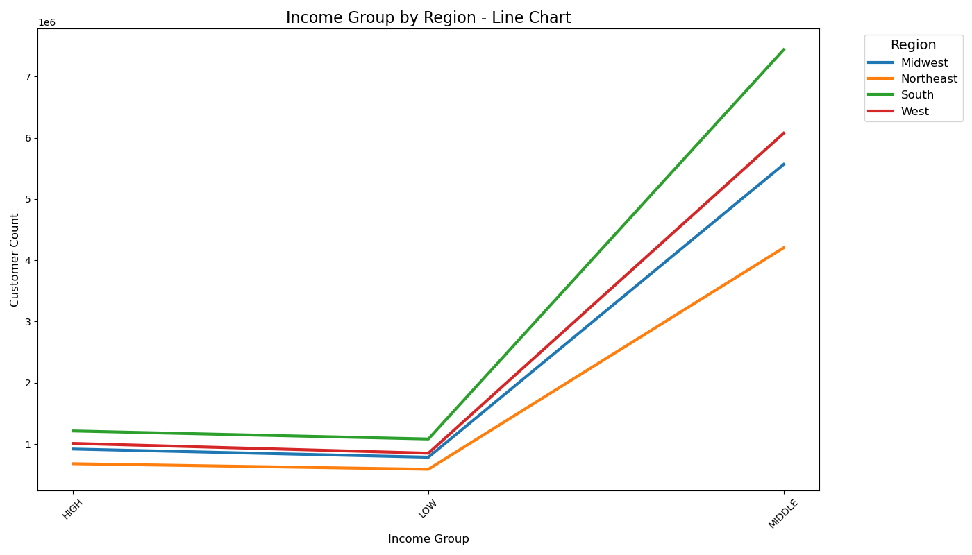

 | Compairing Department Preferences by Region

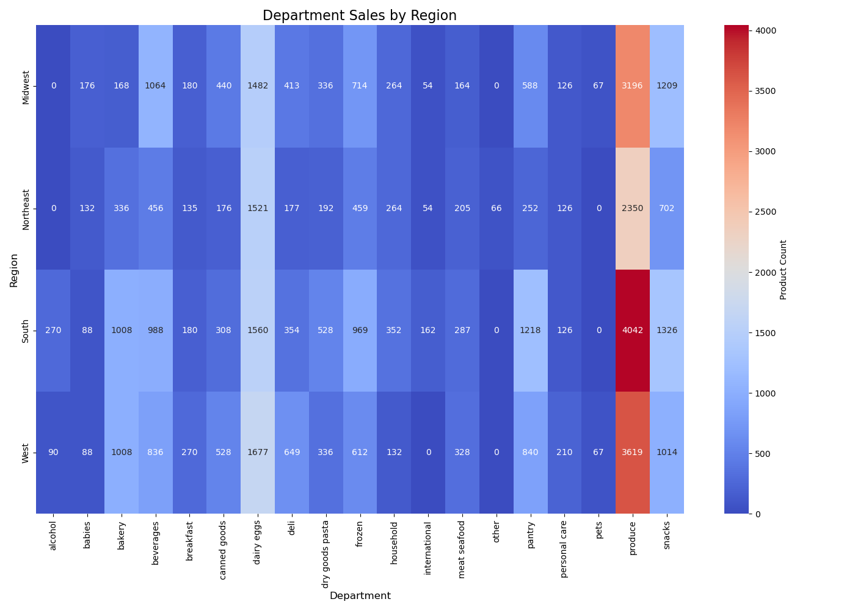

Comparing Loyalty by Family Status

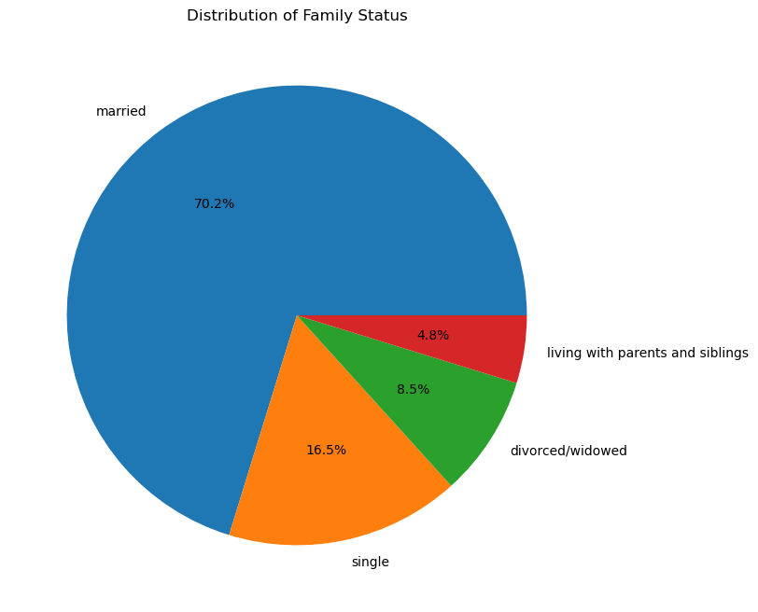

Regional Spending Habits
This table shows the distribution of high spenders and low spenders across different U.S. regions

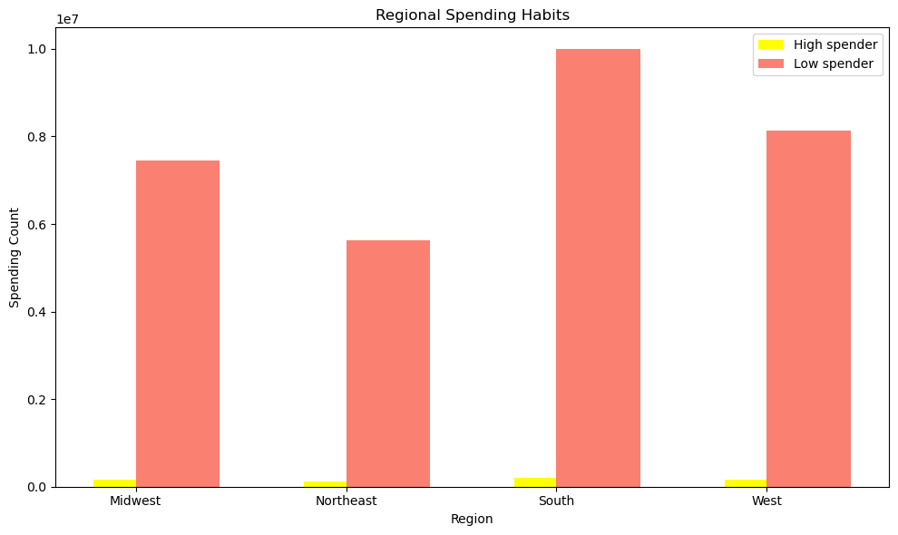

Practicing to craete a bar chart in 4.9

7. Recommendations
 | Title page

Recommendations

In this tab you should include any recommendations you would made to Instcart in terms of their marketing strategy based on the questions posed in the brief. Every key question has been covered in the Tasks of the Exercises - here you need to add an item - a visualisation or table/crosstable that is showing the answer in the data, acompanied by a comment from you. Please, list the questions below and add the answer underneath.

Question 1: What days are the busiest for sales across the week?
Answer: The busiest days for orders are Sunday and Saturday
Recommendations/Insights: To capitalize on these high-demand days, the marketing department should increase promotions around weekends to maximize sales. Special weekend-only discounts or flash sales could further boost sales during these peak times.

Question 2: Which hours of the day see the most product orders?
Answer: The peak hours for orders are between 10 AM and 4 PM.
Recommendations/Insights: Marketing efforts should focus on driving traffic during these hours, such as offering targeted ads and deals for lunch or early evening grocery needs. Additionally, evening hours may also benefit from promoting time-sensitive discounts.

Question 3: Which departments generate the highest revenue?
Answer: The departments that generate the most income are:
1. Produce
2. Dairy
3. Snacks
4. Beverages
5. Frozen
Recommendations/Insights: Given the high revenue generation in produce, it would be beneficial for the marketing team to promote these products further through discounts or by offering bundle deals (e.g., vegetables with fruit). Additionally, diversifying the stock or introducing new healthy product ranges in these top-performing departments can further boost sales.

Question 4: Does the income of customers affect their spending habits on Instacart?
Answer: Customers with lower incomes, specifically parents making under $96,000, tend to spend more frequently.
Recommendations/Insights: To target this demographic, Instacart can roll out ads and promotions tailored to families or those with a lower income bracket. Offering family-sized packages and discounts for bulk purchases could increase average order volume from this group.

Question 5: How does family status affect purchasing patterns on Instacart?
Answer: Most orders come from families, especially those with children under 18.
Recommendations/Insights: Marketing strategies could leverage this by offering family-oriented discounts or focusing on "kid-friendly" meal bundles. Highlighting these types of offerings in ads targeting families could see an increase in orders from this demographic.

Question 6: Do different regions show significant differences in product popularity?
Answer: The Western and Southern regions have the highest orders for produce and frozen goods.
Recommendations/Insights: Given these regional trends, introducing region-specific promotions, such as discounted frozen foods in the Southern U.S., could boost sales. Similarly, promoting fresh produce in the Western U.S. could cater to this established demand

